C
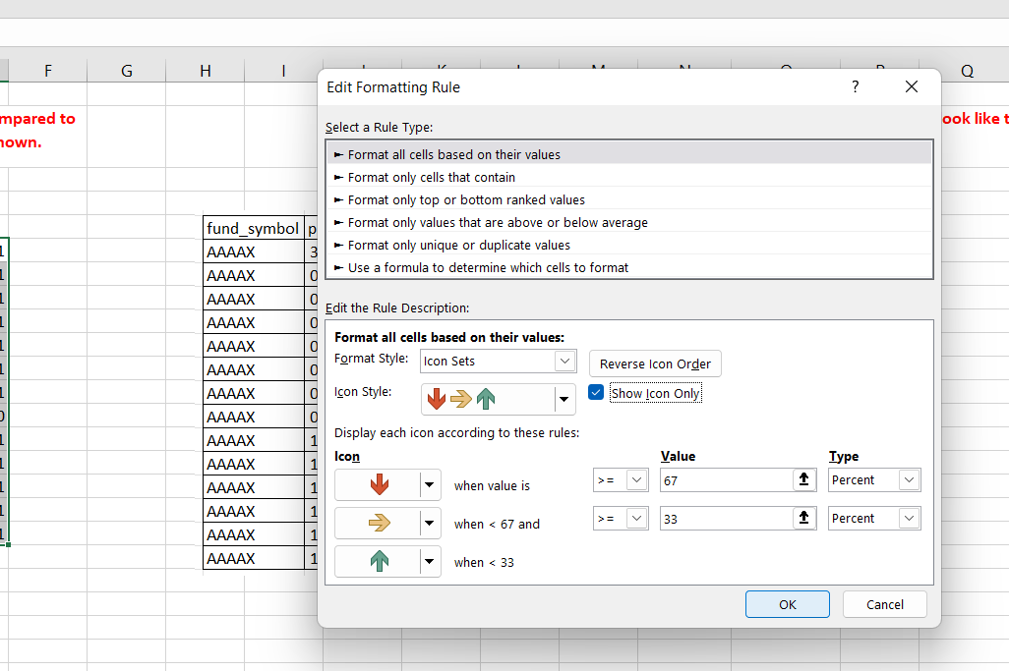
Add arrows to show increase/ decrese in 'nav' as compared to previous day. It should look like the image as shown. |  |  |  | Add Data bars in next column. It should look like the image as shown.
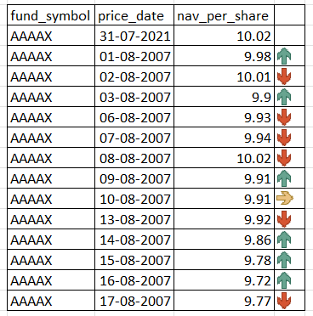
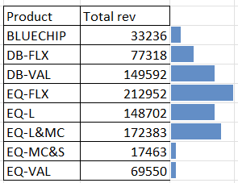
fund_symbol | price_date | nav_per_share
AAAAX | 31-Jul-21 | 10.02 |  | Product | Total rev
AAAAX | 2-Aug-21 | 9.98 | -0.04 | BLUECHIP | 33236
AAAAX | 3-Aug-21 | 10.01 | 0.03 | DB-FLX | 77318
AAAAX | 4-Aug-21 | 9.9 | -0.11 | DB-VAL | 149592
AAAAX | 5-Aug-21 | 9.93 | 0.03 | EQ-FLX | 212952
AAAAX | 6-Aug-21 | 9.94 | 0.01 | EQ-L | 148702
AAAAX | 9-Aug-21 | 10.02 | 0.08 | EQ-L&MC | 172383
AAAAX | 10-Aug-21 | 9.91 | -0.11 | EQ-MC&S | 17463
AAAAX | 11-Aug-21 | 9.91 | 0 | EQ-VAL | 69550
AAAAX | 12-Aug-21 | 9.92 | 0.01
AAAAX | 13-Aug-21 | 9.86 | -0.06
AAAAX | 16-Aug-21 | 9.78 | -0.08 | step 1
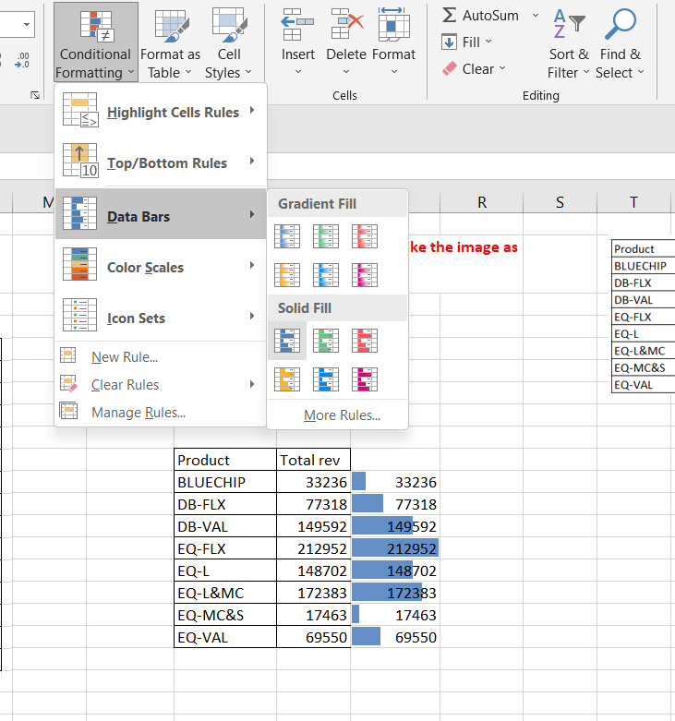
AAAAX | 17-Aug-21 | 9.72 | -0.06
AAAAX | 18-Aug-21 | 9.77 | 0.05

step 1
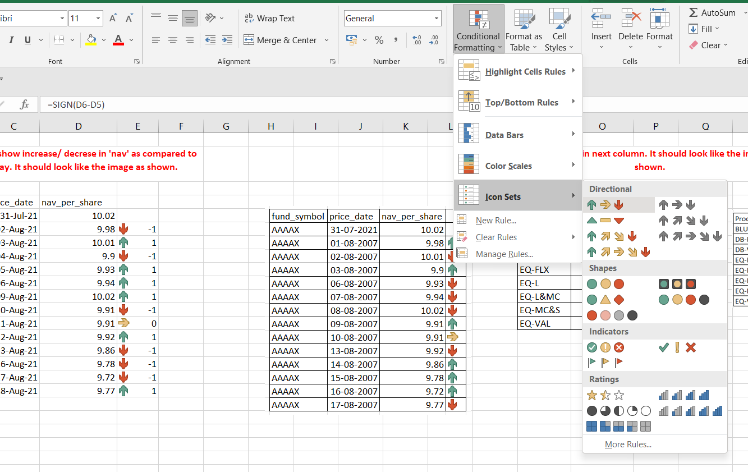

 |  |  |  |  | step 2
step 2
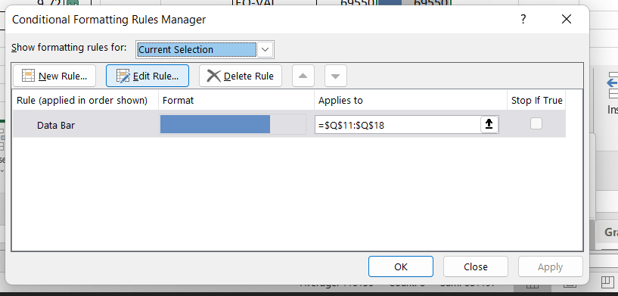
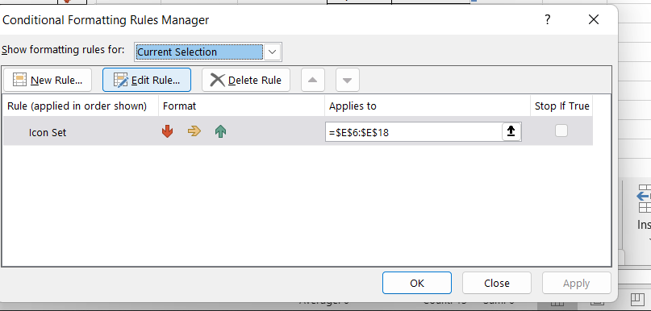

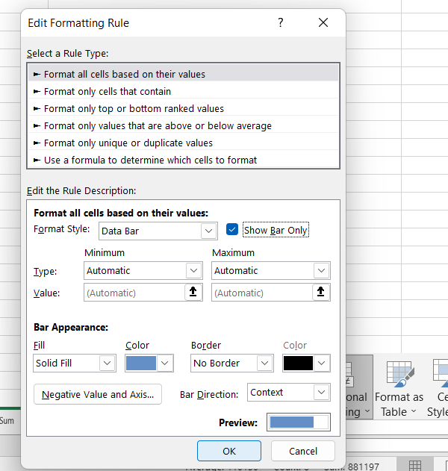
 |  |  |  |  | step 3
step 3

